Defect & Issue List
TOUCHLESS ORDER CREATION — UAT & TESTING DEFECT LIST
Project: Touchless Order Creation — AI Extraction & Mapping Agent | Version: 1.0 | Date: June 2026
Defect ID | Scenario / Module | Title of Issue | Description | Expected Result | Actual Result | Priority (P1/P2/P3) | Status (Open/In Progress/Resolved/Closed) | Final Status | Reported By | Assigned To | Date | Comments | updated feedback by dev team
1 | 1536248 | Month and day requested is transpossed | Requested date on the PO has been transpossed. July 1 2026 requested date. Agent put in the correct PO date of 04/29/2026 but did not transpose the requested date to 07/01/2026 but rather 01/07/2026 | RDD should have been 07/01/2026 which is in the past. I would expect it to go on Double scedule lines with the best date. | RDD was entered for 01/07/2026. It is on double schedule lines for best date. | P1 | open |  | Erin Munoz |  | 2026-07-09 | Would prefer to have a backorder indicator alerting the CSR to the date accepted by SAP (ABO or DMAN). | in-progess . becuase all po have different date format but we pass one spefic date format when creating order so thats why it switch. so we are working on it . As soon as possible this also fixed .
2 | Processed POs FOLDER | Outlook, Processed POs foler | Original email from me showing the request to process is in the PROCESSED POs folder in Touchless Orders but there is no SO in Celnois to reference | Processed order in Celonis and EPQ | Order not in Celonis nor EPQ | P2 | open |  | Erin Munoz |  | 2026-07-09 |  | fixed
3 | 1536260 | Procesed in wrong sales org | Customer is extended to 2600 and 2620. This particular order was intended for 2620 sales org entry | PO should have been entered in 2620 | SO was entered in 2600 | p1 | open |  | Erin Munoz |  | 2026-07-10 |  | logic is fixed now again you can share the po so when agent run it process it successful
4 | 1536257 | Procesed two lines for same date. Only one listed on PO | Procesed two lines for same date. Only one listed on PO | One line listed as shown on the PO | Two lines listed for same material, volume and date | P1 | open |  | Erin Munoz |  |  |  | yes we resolve this issue and if you send the po again then it will create the sales order succesfula with all fields mapped correctly .
5 | 1536257 | UOM incorrect | Processed as LBs but PO states KGs | Agent should have rejected or should have entered as KGs rather than LB | Agent created as LBs and did not reject the PO | P1 | open |  | Erin Munoz |  |  |  | yes now we add lbs,lb and kg for unit so now it is fixed . you can send furthur po for testing . currently in some po we get nos in unit so we send those po in exception .
6 | 1536278 | Ship to party is not correct Route is missing | Ship to party code should be 4020035300 PT. PLASMOTECH BATAM, but it shows ship to party code is 4020011523 PT. SUNTECH PLASTICS INDUSTRIES Route is blank | Ship to party should be correct , and route should be tiggered |  | P1 | open |  | Jonas Sun |  | 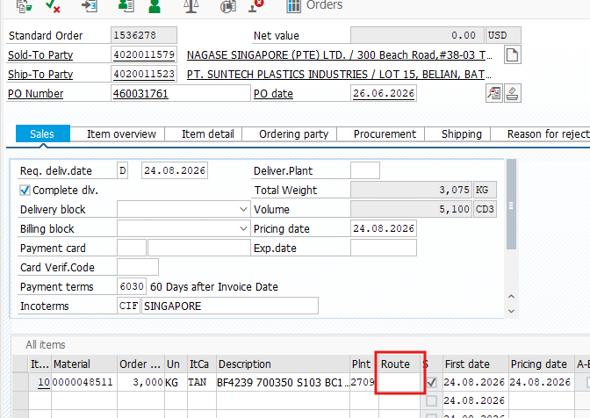 |  | yes this error comes becuase direcity ship to is not written in po so now it ship to on the consignee 1 . now we add this logic to the agent so it work fine now . so we can again test it if you send the po again to salesorder mailbox.
7 | 1536274 | PO date is not correct | Why PO date is 17.10.2025 ? | PO date should be correct |  | P1 | open |  | Jonas Sun |  |  |  | in po it is mention 17-oct-2025 so agnet transform it as 17.10.2025 . can you tell me what should we correct date for it . | 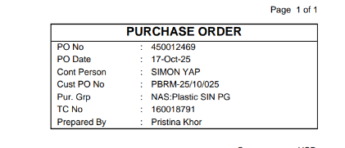
8 | PO121020152933 | Procesed in wrong sales org | The order number 0001536259 associated with this PO in the email does not match the actual order number in ePQ. |  |  |  | open |  | Ji Tao |  |  | Picture | Customer matierla is incorrect in cmir epq and material description is ok but sales org is 2545 . it is correct .in master data customer material is 15/PA6GF30GR BUT IN PO it is 15/1PA6GF30A2 SO like this their is simliar customer material for this like 15/1PA6GF30A2 SO WE DONT USE FUZZY LOGIC . so we need to update it
9 | 1536234 | Duplicate entry | I sent this order twice within a short period of time. As a result, all items were entered twice into the same sales order, so the SO now contains four items instead of two. | If the same PO is sent repeatedly within a short period of time, the system could either send a confirmation email back to the customer or prevent the order from being entered again. |  |  | open |  | Ji Tao |  |  | Picture | fixed . it is double process . logic is correct . we rerun it .
10 | - | Multiple orders | It seems multiple orders can not be placed in SAP in successfully. | one customer with different sales org |  | P1 | open |  | Jonas Sun
11 | - | Korean order | It seems Korean order can not be placed in SAP in successfully. | Local language |  | P1 | open |  | Jonas Sun |  |  |  | customer material and material description is missing and sold to and ship to is missing .
12 | 1536236 /1536237 | address incorrect | The Ship-to Party in the system is completely different from the Ship-to Party on the order. | The system can recognize the address on the order and select the corresponding Ship-to Party in SAP. |  | P1 | open |  | Ji Tao
13 | PO 121020151927 |  | This order was identified as a PO Exception, but the notification was sent to A. Deep rather than to me. |  |  | P1 | open |  | Ji Tao
14 |  | CMIR update request in EPQ
15 | Xudong Sun | customer material missing and material description is incomplete | pls review it and give me feedback | 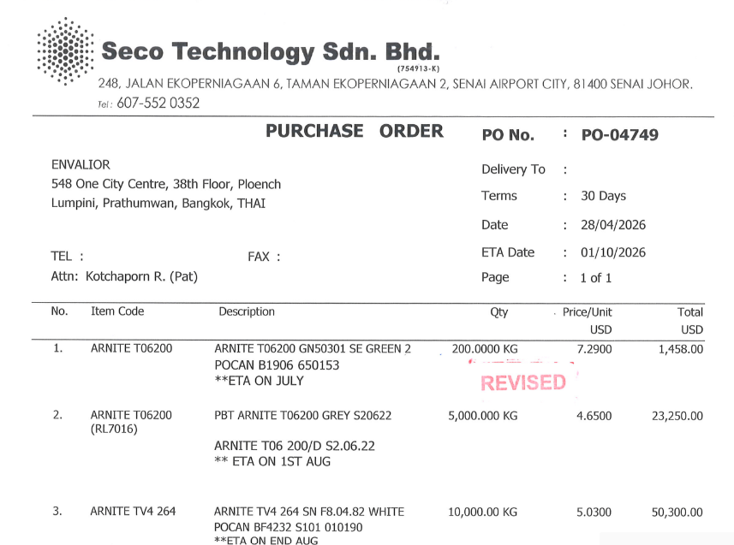 |  | P1 | open |  | 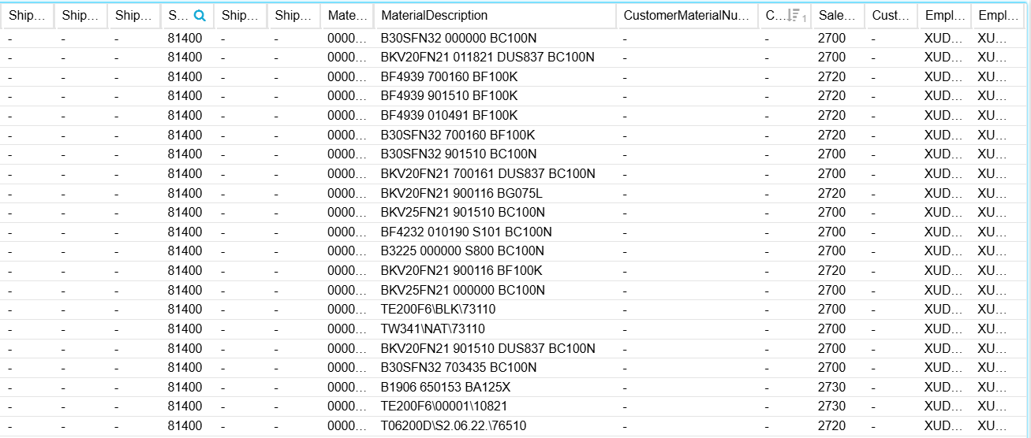
16 | Ralf Loeher | customer material and material description is missing | pls review it and give me feedback feedback: correct, there is no CMIR data in EPQ for this one and I understand that the agent has trouble understanding "PBT Pocan B3235 GF30 natur" - in this case I would indeed expect the mail to be forwarded to the ER contact |  |  | P1
17 | Xudong Sun | customer material and material description is missing | pls review it and give me feedback
18 | 1536296 | Completely wrong order created? | Yesterday I sent a few test orders and couldnt find this one (expected result); at first I thought the agent just couldnt figure it out but then I searched for PO# and found 1536296, completely different country/customer/sales org. Now I thought maybe thats just another order using same PO but it has the exact matching PO date, requested date and quantity. I do hope this is just a massive coincidence....however, even in the website showing the auto created orders, it does show exactly the attachment for "my" order that was placed for India. | Picture |  |  |  |  | Ralf | 16.07.26 |  | ok thanks Ralf for update yes correct , we fix the logic if you want you can again send the order for it but fields are missing and not align properly if we see the pdf . sold to is missing | 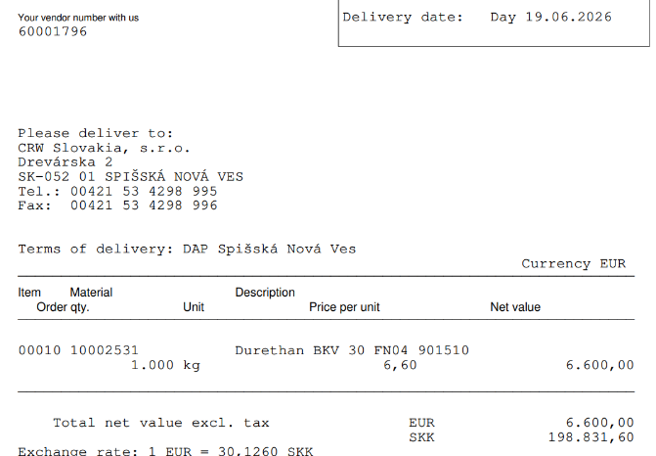
19 | general question | Data beyond "numbers"? | I do recall quite long ago when we were talking about the touchless order agent and asked about scenarious where customers may add text somewhere on the order, things like "attention: we are closed next week" or other, special infos. Unless Im mistaken back then the reply was more or less that the agent can see and if not process, at least highlight this to the ER to review. Is this implemented at all? (/I recall wrongly? / out of scope?) | Some info/warning to ER to review |  |  |  |  | Ralf | 16.07.26 |  | the escalation is always to ER and so this does not matter because we are not sending anything to the customer directly
20 | any | Attachments for Roborana | This was mentioned in recent meetings but Id like to keep it here for tracking; we do expect the mails sent to Roborana to include the full, original email plus attachements to it. So far I couldnt see/test this. (Also, looking at the touchless order mailbox under sent, I see the last mails to SO ArchiveRobot on Tuesday) |  |  |  |  |  | Ralf | 16.07.26 |  | fixed pls check we send all mail related to sales order creation with attachment in email . so pls check and update . your feedback is helpful for us .
21 | po number | 4020016008 | for this po jai Ganesh Enterprises their unit in NOS so we send this in exception currenlty lbs, lb and kg is mapped. | so please reveiw it and send your feedback . | 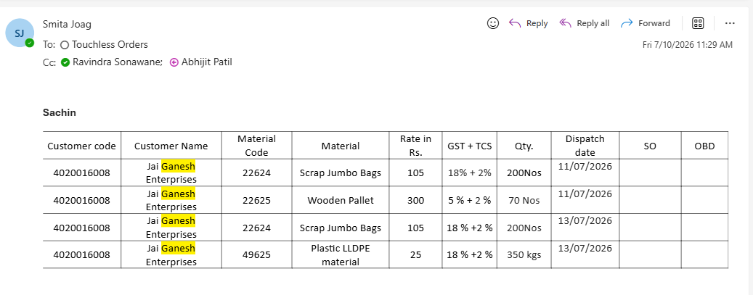
22 | 1536310 | Wrong Material ordered | BKV15 901510 DUS800 BC100N DURETHAN mentioned in the PO but order was placed under 50312 - BKV35H2.0 901510 BC100W |  |  |  |  |  | Liza Bety |  |  | yes material description is wrong for it so pls check material description customer mateiral is present
23 | 1536309 | 2 line items entered for 1 line item order | order only for 20T, SO 1536309 |  |  |  |  |  | Liza Bety |  |  | yes issue fixed in next run it create succesful order

Sheet1
Employee Responsible | PO Details | Exception reason | Source File name
Liza Bety | ITW Automotive Products GmbH | Postal Code, Ship - To, Customer Material is missing | ITW_ENK_PURCHASE_391767_26-07-13.pdf
 | BİMED TEKNİK ALETLER SAN. VE TİC. A.Ş. | Customer Material is null & Material Description is not matching | Satınalma Siparişi_P103510.pdf

Tao Ji

Xudong Sun | NAGASE Singapore | customer material missing. | 450012469 Pocan.pdf
 | NAGASE Singapore |  | 460031761 POCAN BF4239-700350 S103.pdf
 | KS tech | 41810000356 customer material missing. | 케이에스테크 PO 1000kg.PDF

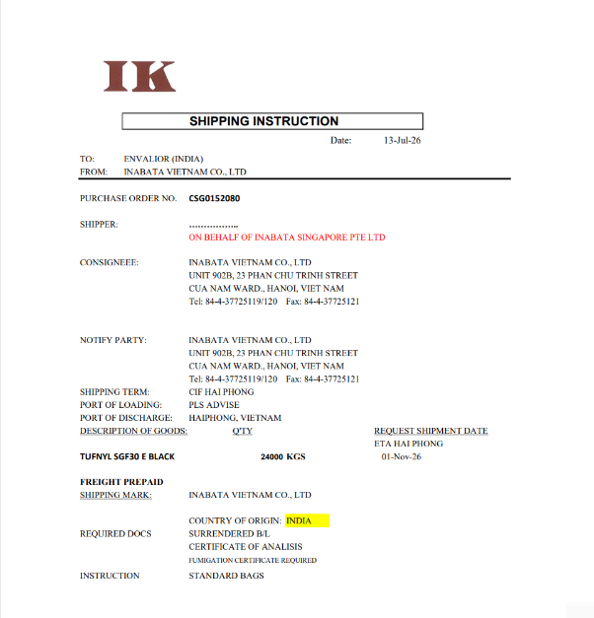 |  | 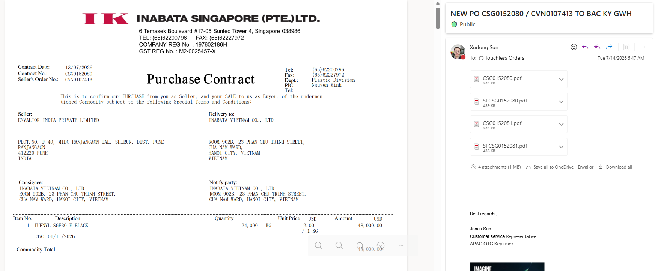 | 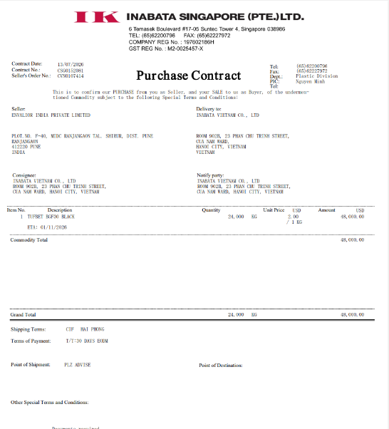
Kaoru Matoba

Gaurav Gupta

L Pabhakaran

Mudha Chavan | ITW India Pvt Ltd | Ship to Sold to is missing but Customer Material & Description is Available | ENVALIOR.xlsx

Smta Jaog

Sunil Desai | apex engineers | material description or customer material missing .

 |  | multiple mail like this sold to ship to is missing .
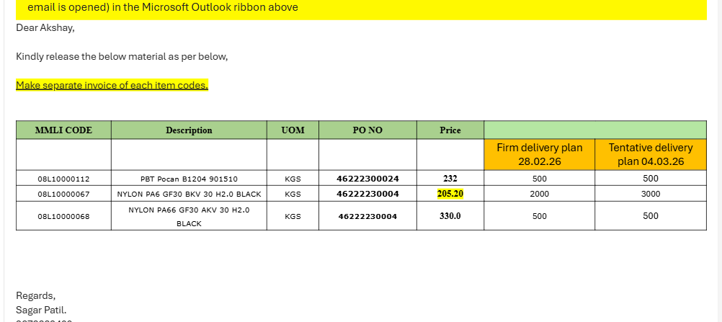 |  |  | 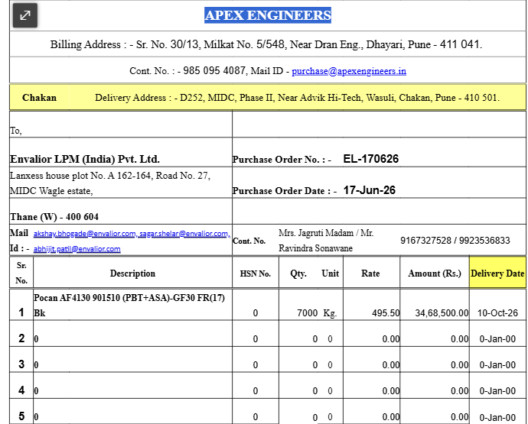
Erin Munoz | Performance Gear Systems | Ship toSold to is matching but Customer material is missing & Material Desc. Is missmatching SAP - TW275F6\NAT\55B & PDF - STANYL TW271F6 NATURAL | PGS_PURCHORD_DJ_REV3.pdf
 |  | other po fixed

Christian Burwinkel

Meike Tyralla

Akshay Bhogade

Lisa Noyes

Ralf Loeher

Patrick Adam

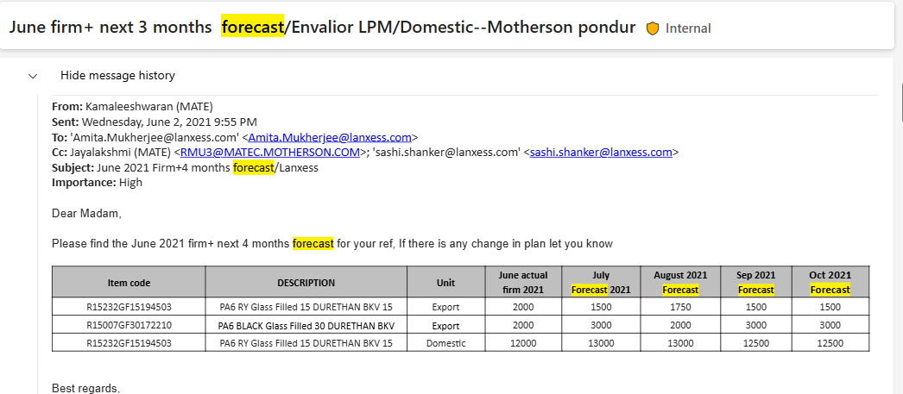

 |  |  | forcast mail get so it not work

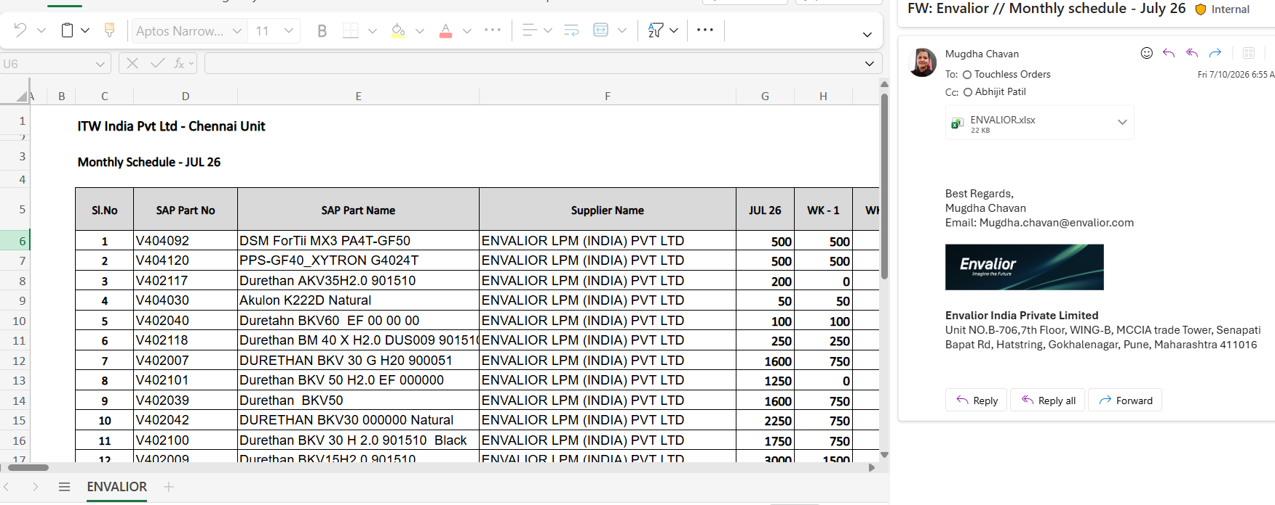

 |  |  | sold to ship to missing .

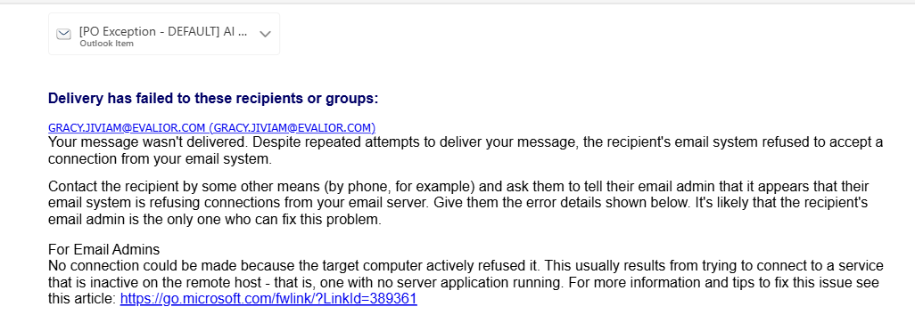

 |  |  | csr mail wrong mention

